Dashboard
Cannabis Use by Province (2012)
 | 15 to 24 years | 25 to 64 years | 25 to 44 years | 45 to 64 years | 65 years and over
Newfoundland and Labrador | 29000 | 142900 | 70600 | 72300 | 8800
Prince Edward Island | 7200 | 39300 | 19400 | 19800 | 2400
Nova Scotia | 55600 | 298000 | 151300 | 146700 | 23000
New Brunswick | 44100 | 220700 | 115500 | 105200 | 12700
Quebec | 512600 | 2211500 | 1205600 | 1005900 | 139500
Ontario | 732300 | 3389400 | 1790000 | 1599400 | 265100
Manitoba | 80300 | 300200 | 166100 | 134100 | 17500
Saskatchewan | 64300 | 271900 | 146800 | 125100 | 5300
Alberta | 233900 | 1087200 | 604100 | 483100 | 45300
British Columbia | 233500 | 1402400 | 681700 | 720600 | 118200
Cannabis Use Disorders by Province (2012)
 | Both sexes | Total, 15 years and over | 15 to 24 years | 25 to 64 years | 25 to 44 years | 45 to 64 years
Newfoundland and Labrador |  |  | 5300 | 11500 | 7200 | 4300
Prince Edward Island |  |  | 0 | 6500 | 2800 | 3600
Nova Scotia |  |  | 19100 | 52900 | 31100 | 21800
New Brunswick |  |  | 10300 | 22000 | 11300 | 10700
Quebec |  |  | 118900 | 294600 | 165800 | 0
Ontario |  |  | 183000 | 485000 | 270100 | 214900
Manitoba |  |  | 17900 | 54500 | 34300 | 20200
Saskatchewan |  |  | 13900 | 54000 | 35500 | 18400
Alberta |  |  | 56800 | 179800 | 97500 | 82300
British Columbia |  |  | 58400 | 221900 | 135800 | 86100

Percent of people consuming cannabis by year
 | Percent of people consuming cannabis
1985 | 5.6
1989 | 6.5
1990 | 5.1
1993 | 4.2
1994 | 7.5
2002 | 12.2
2004 | 14.1
2005 | 9.7
2006 | 9.5
2007 | 9.4
2008 | 9
2009 | 9.3
2010 | 8.9
2011 | 9.3
2012 | 10.2
2013 | 10.6
2015 | 12.3
No. of cananabis offences
 | Number of cannabis offenses 2016 | Number of cannabis offenses 2017
Canada | 54940 | 47992
Newfoundland and Labrador | 648 | 604
Prince Edward Island | 188 | 141
Nova Scotia | 1896 | 1712
New Brunswick | 1127 | 1069
Quebec | 15486 | 14457
Ontario | 14870 | 12619
Manitoba | 1336 | 1130
Saskatchewan | 1732 | 1418
Alberta | 5146 | 4322
British Columbia | 11970 | 10114
Yukon | 103 | 77
Northwest Territories | 250 | 199
Nunavut | 188 | 130

Cannabis offences by types in different provinces
 | Possession | Trafficking | Importation and exportation | Production
Newfoundland and Labrador | 501 | 92 | 2 | 9
Prince Edward Island | 109 | 24 | 0 | 8
Nova Scotia | 1280 | 297 | 2 | 133
New Brunswick | 861 | 96 | 0 | 112
Quebec | 9998 | 1991 | 1201 | 1267
Ontario | 10624 | 1040 | 678 | 277
Manitoba | 767 | 310 | 0 | 53
Saskatchewan | 1117 | 266 | 0 | 35
Alberta | 3734 | 506 | 7 | 75
British Columbia | 9253 | 438 | 68 | 355
Yukon | 58 | 16 | 0 | 3
Northwest Territories | 130 | 69 | 0 | 0
Nunavut | 66 | 60 | 2 | 2
 | Canada
Number of cannabis offenses 2016 | 54940
Number of cannabis offenses 2017 | 47992

Size of total cannabis market in Canada and California
 | Canada | California
2014 | 4.1 | 4.6
2015 | 4.8 | 5.1
2016 | 5.4 | 5.5
2017 | 6.2 | 5.8
2018 | 6.8 | 6.4
2019 | 6.9 | 6.9
2020 | 6.9 | 7
2021 | 7 | 7.2
2022 | 6.9 | 7.3
2023 | 7 | 7.4
2024 | 7.1 | 7.5
2025 | 7.3 | 7.6

CannabisConsumtion(yr-percent)
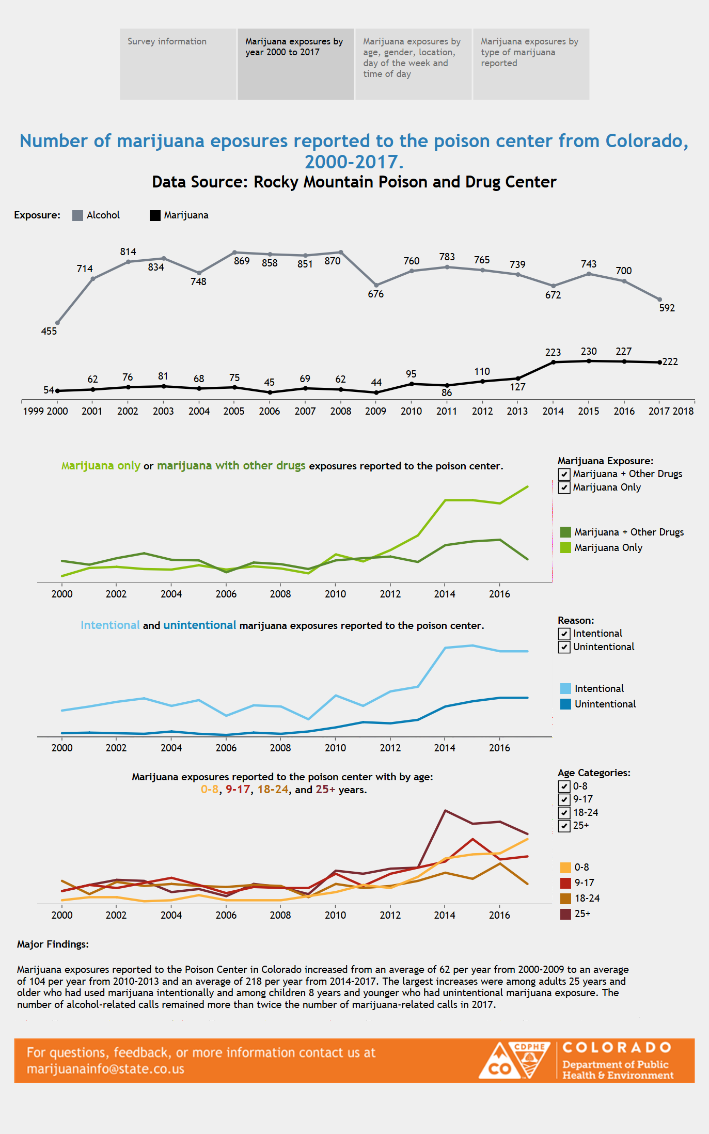
Year | Percent of people consuming cannabis
1985 | 5.6
1989 | 6.5
1990 | 5.1
1993 | 4.2
1994 | 7.5
2002 | 12.2
2004 | 14.1
2005 | 9.7
2006 | 9.5
2007 | 9.4
2008 | 9
2009 | 9.3
2010 | 8.9
2011 | 9.3
2012 | 10.2
2013 | 10.6
2015 | 12.3

Canada's predicted medical marijuana market size 2014-2025

Estimated total market size of medical marijuana in Canada from 2014 to 2025 (in billion Canadian dollars)* | Market size in billion Canadian dollars
2014 | 0.01
2015 | 0.04
2016 | 0.17
2017 | 0.6
2018 | 1.24
2019 | 1.74
2020 | 2.03
2021 | 2.31
2022 | 2.38
2023 | 2.37
2024 | 2.36
2025 | 2.35

https://www.colorado.gov/pacific/cdphe/marijuana-health-report

Solution 3

